Transshipment
Week 6 - Example of a Transshipment Model |  | COSTS | X | Y | Z | P | Q | R | S
 |  | A | 23 | 17 | 20 | 1000 | 1000 | 1000 | 1000
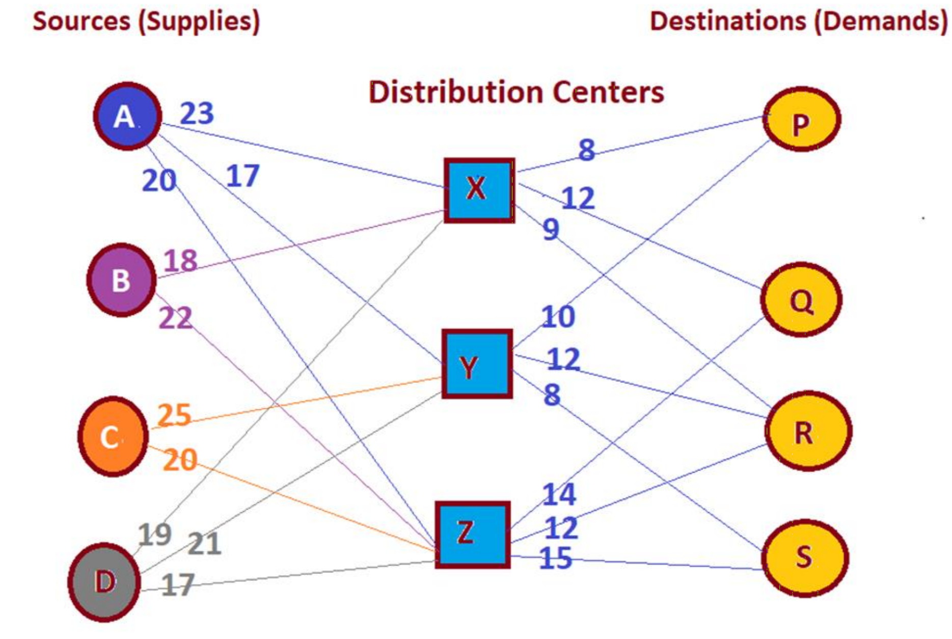 | Minimize Z = ∑ CijXij , i=A, B, C,D X, Y, Z; j=X,Y,Z,P,Q,R,S | B | 18 | 1000 | 22 | 1000 | 1000 | 1000 | 1000
 | Subject to: | C | 1000 | 25 | 20 | 1000 | 1000 | 1000 | 1000
 | Sources Constraints (Supplies): | D | 19 | 21 | 17 | 1000 | 1000 | 1000 | 1000
 | Source A: XAX + XAY + XAZ ≤ 35500 | X | 1000 | 1000 | 1000 | 8 | 12 | 9 | 1000
 | Source B: XBX + XBY + XBZ ≤ 42200 | Y | 1000 | 1000 | 1000 | 10 | 1000 | 12 | 8
 | Source C: XCX + XCY + XCZ ≤ 19000 | Z | 1000 | 1000 | 1000 | 1000 | 14 | 12 | 15
 | Source D: XDX + XDY + XDZ ≤ 25500
 | Destination Constraints (Demands): |  | X | Y | Z | P | Q | R | S | Shipped from: |  | Supply: | Total Cost
 | Destination P: XXP+ XYP + XZP ≥ 23500 | A | 0 | 35500 | 0 | 0 | 0 | 0 | 0 | 35500 | ≤ | 35500 |  | 31239300
 | Destination Q: XXQ+ XYQ + XZQ ≥ 36000 | B | 42200 | 0 | 0 | 0 | 0 | 0 | 0 | 42200 | ≤ | 42200
 | Destination R: XXR+ XYR + XZR ≥ 40700 | C | 0 | 0 | 19000 | 0 | 0 | 0 | 0 | 19000 | ≤ | 19000
 | Destination S: XXS+ XYS + XZS ≥ 19800 | D | 0 | 0 | 25500 | 0 | 0 | 0 | 0 | 25500 | ≤ | 25500
 | Node Constraints (Conservation of Flow): | X | 0 | 0 | 0 | 0 | 9300 | 40700 | 0 | 50000 |  | Total Supply:
 | Node X: XAX + XBX + XCX + XDX = XXP + XXQ + XXR + XXS | Y | 4500 | 0 | 0 | 23500 | 0 | 0 | 22000 | 50000 |  | 77700
 | Node Y: XAY + XBY + XCY + XDY = XYP + XYQ + XYR + XYS | Z | 3300 | 14500 | 5500 | 0 | 26700 | 0 | 0 | 50000
 | Node Z: XAZ + XBZ + XCZ + XDZ = XZP + XZQ + XZR + XZS |  | 50000 | 50000 | 50000 | 23500 | 36000 | 40700 | 22000
 | Nonnegativity: Xij ≥ 0 |  | ≥ | ≥ | ≥ | ≥ | ≥ | ≥ | ≥
 |  | Shipped to: | 50000 | 50000 | 50000 | 23500 | 36000 | 40700 | 19800 | Total Demand:
 |  |  |  |  |  |  |  |  |  | 120000

